Sheet1
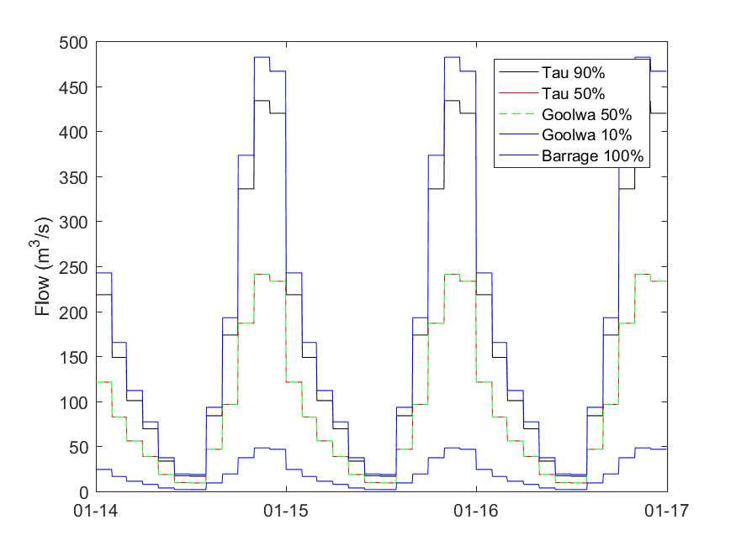
Month | GL
7 | 50
8 | 250
9 | 500
10 | 1000
11 | 1250
12 | 1250
1 | 650
2 | 400
3 | 300
4 | 200
5 | 100
6 | 50

Total: | 6000

 |  | GL In November | Days in November | GL/day | ML/day | m3/day | m3/second
 |  | 1250 | 30 | 41.666666667 | 41666.666667 | 41666666.667 | 482.25308642

